Weekly Project Schedule
Weekly Delivery Schedule
 |  | Note, "Date" indicates the due date for related deliverables! |  |  | RAG Status
Project Phase | Week | Date | Deliverables | Owner Role | Team 1 | Team 2 | Team 3 | Team 4 | Team 5
 | 1 | 2023-01-24 | Each project team forms two groups to work on two business cases | PM
Project Planning | 2 | 2023-01-31 | Project Proposals - Business Cases (2) | PM
 | 3 | 2023-02-07 | Project Initiation Document (PID), initial draft (split work among team members) | PM
 | 3 |  | Quiz - Chapter 2: Software Processes | All
 | 4 | 2023-02-14 | Project Plan (in Excel) | PM
 | 4 |  | RACI Table | PM
 | 4 |  | Completed PID | PM
 | 4 |  | Start developing Home Page | Lead Dev
 | 4 |  | Quiz - Chapter 3: Agile Software Development | All
Requirements Analysis | 5 | 2023-02-21 | BRM Diagram, User Roles | Product Owner
 | 5 |  | Context Diagram, System Interface Table | Lead BA
 | 5 |  | Team discussion of Requirements Types, include the tasks in Project Plan | PM
 | 5 |  | Compile a list of Customer needs (see guidelines chart on the right) | Product Owner
 | 5 |  | Quiz - Chapter 4: Requirements Engineering | All
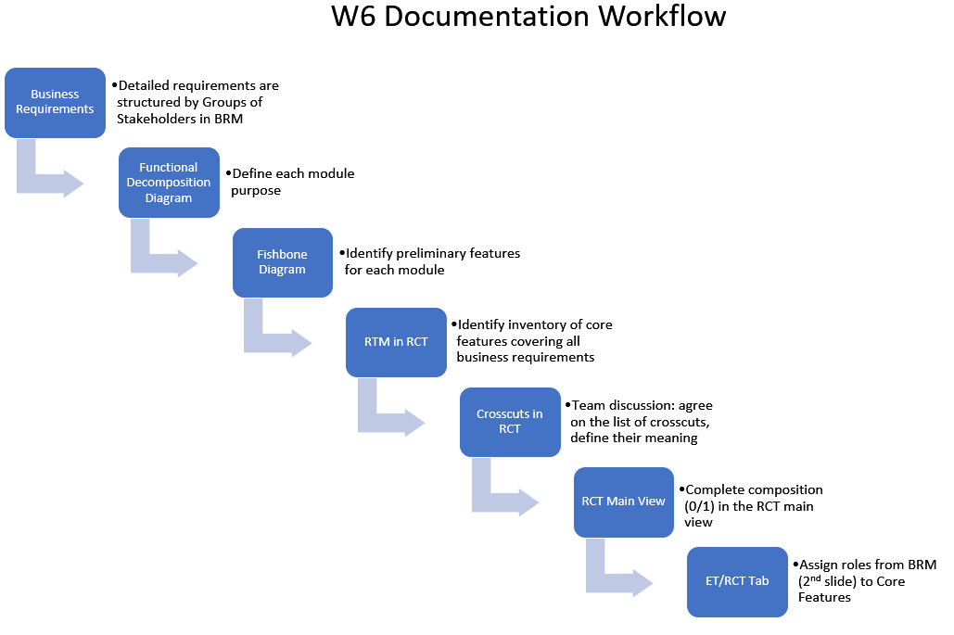
 | 5 |  | Updated Project Plan | PM
 | 6 | 2023-02-28 | Business Requirements (split work among team members) | Product Owner
 | 6 |  | Functional Decomposition (assign SME), Fishbone Diagram | Lead BA
 | 6 |  | RCT, includes supplementary requirements (split work among team members) | Lead BA
 | 6 |  | Home Page menu structure | Lead Dev
 | 6 |  | Quiz - Aspect-Oriented Requirements Analysis | All
 | 6 |  | Updated Project Plan | PM
 | 7 | 2023-03-07 | Select in the RCT a few features to implement this semester, including crosscuts | PM, Product Owner
 | 7 |  | UML analysis diagrams (use case, activity diagrams) | Lead BA
 | 7 |  | Data-flow Diagram (logical) | Lead BA
 | 7 |  | Functional Requirements (user stories) | Lead BA
 | 7 |  | Complete Home Page Demo | Lead Dev
 | 7 |  | Project Plan: Elaborate the Coding/Testing phases with the selected features | PM
 | 7 |  | Quiz - Chapter 5: System Modeling | All
 | 7 |  | Requirements Workshop (WS1): preparation | All
 |  | 2023-03-14 | SPRING BREAK, No Classes
 | 8 | 2023-03-21 | Mid-term Exam | All
High-level Design | 9 | 2023-03-28 | ER Diagrams (Conceptual, Logical types), identify reference tables | DBA
 | 9 |  | Database Table Specification | DBA
 | 9 |  | Reference Data Specification | DBA
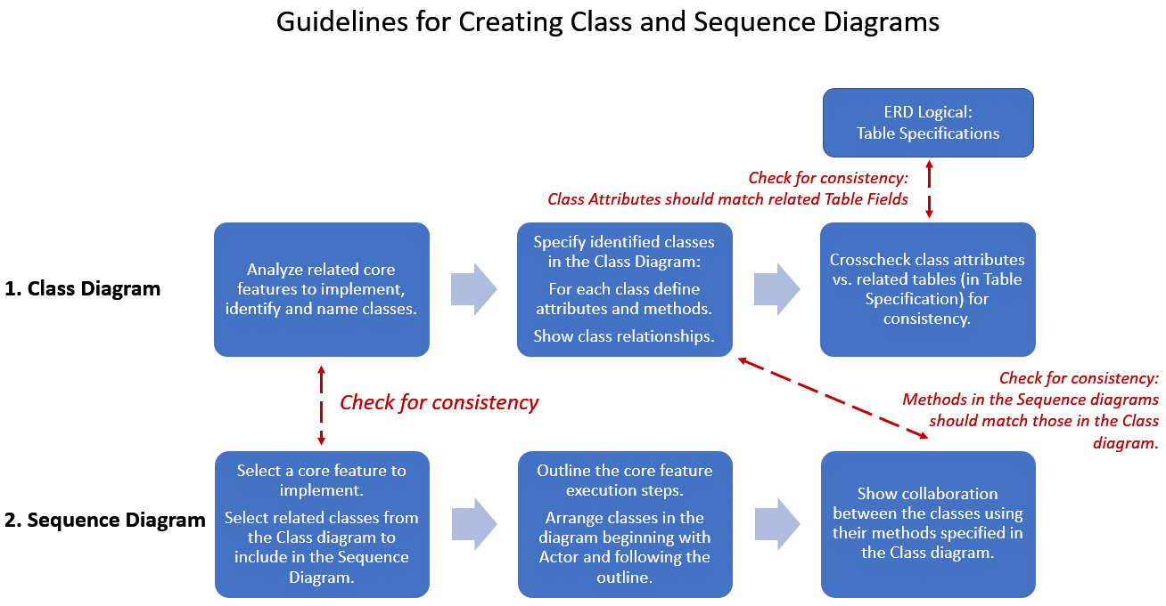
 | 9 |  | Data-flow Diagram (physical) | Lead BA
 |  | 2023-04-04 | Passover, No Classes
 | 10 | 2023-04-11 | Architecture Diagrams (2) | Lead Dev/DBA
 | 10 |  | Create DB tables based on ERD Logical
 | 10 |  | Quiz - Chapter 6: Architectural Design | All
 | 10 |  | Updated Project Plan | PM
 | 10 |  | Establish Git projects; Watch Git tutorial on YouTube | All
Implementation | 11 | 2023-04-18 | Class Diagram (UML) | Lead Dev
 | 11 |  | Sequence Diagrams (UML) -> see the guideline chart on the right | Lead Dev
 | 11 |  | Populate reference (static) data in the database tables | DBA
 | 11 |  | Quiz - Chapter 7: Design and Implementation | All
 | 11 |  | Updated Project Plan | PM
 | 8,9,10,11 |  | Source code in Git repository, executable code ready for testing | Lead Dev
Testing | 12 | 2023-04-25 | Test plan document (split work among team members) | Lead QA
 | 12 |  | Test design, test cases (in Excel template) | Lead QA
 | 12 |  | Quiz - Chapter 8: Software Testing | All
 | 12 |  | Updated Project Plan | PM
 | 12 |  | Testing workshop (WS2) preparation + application Demo (recorded) | All
Final Exam | 13 | 2023-05-02 | Final Exam preparation
Final Project Presentation | 14 | 2023-05-09 | Presentation preparation; submit final documents for project grading | All

